Overview
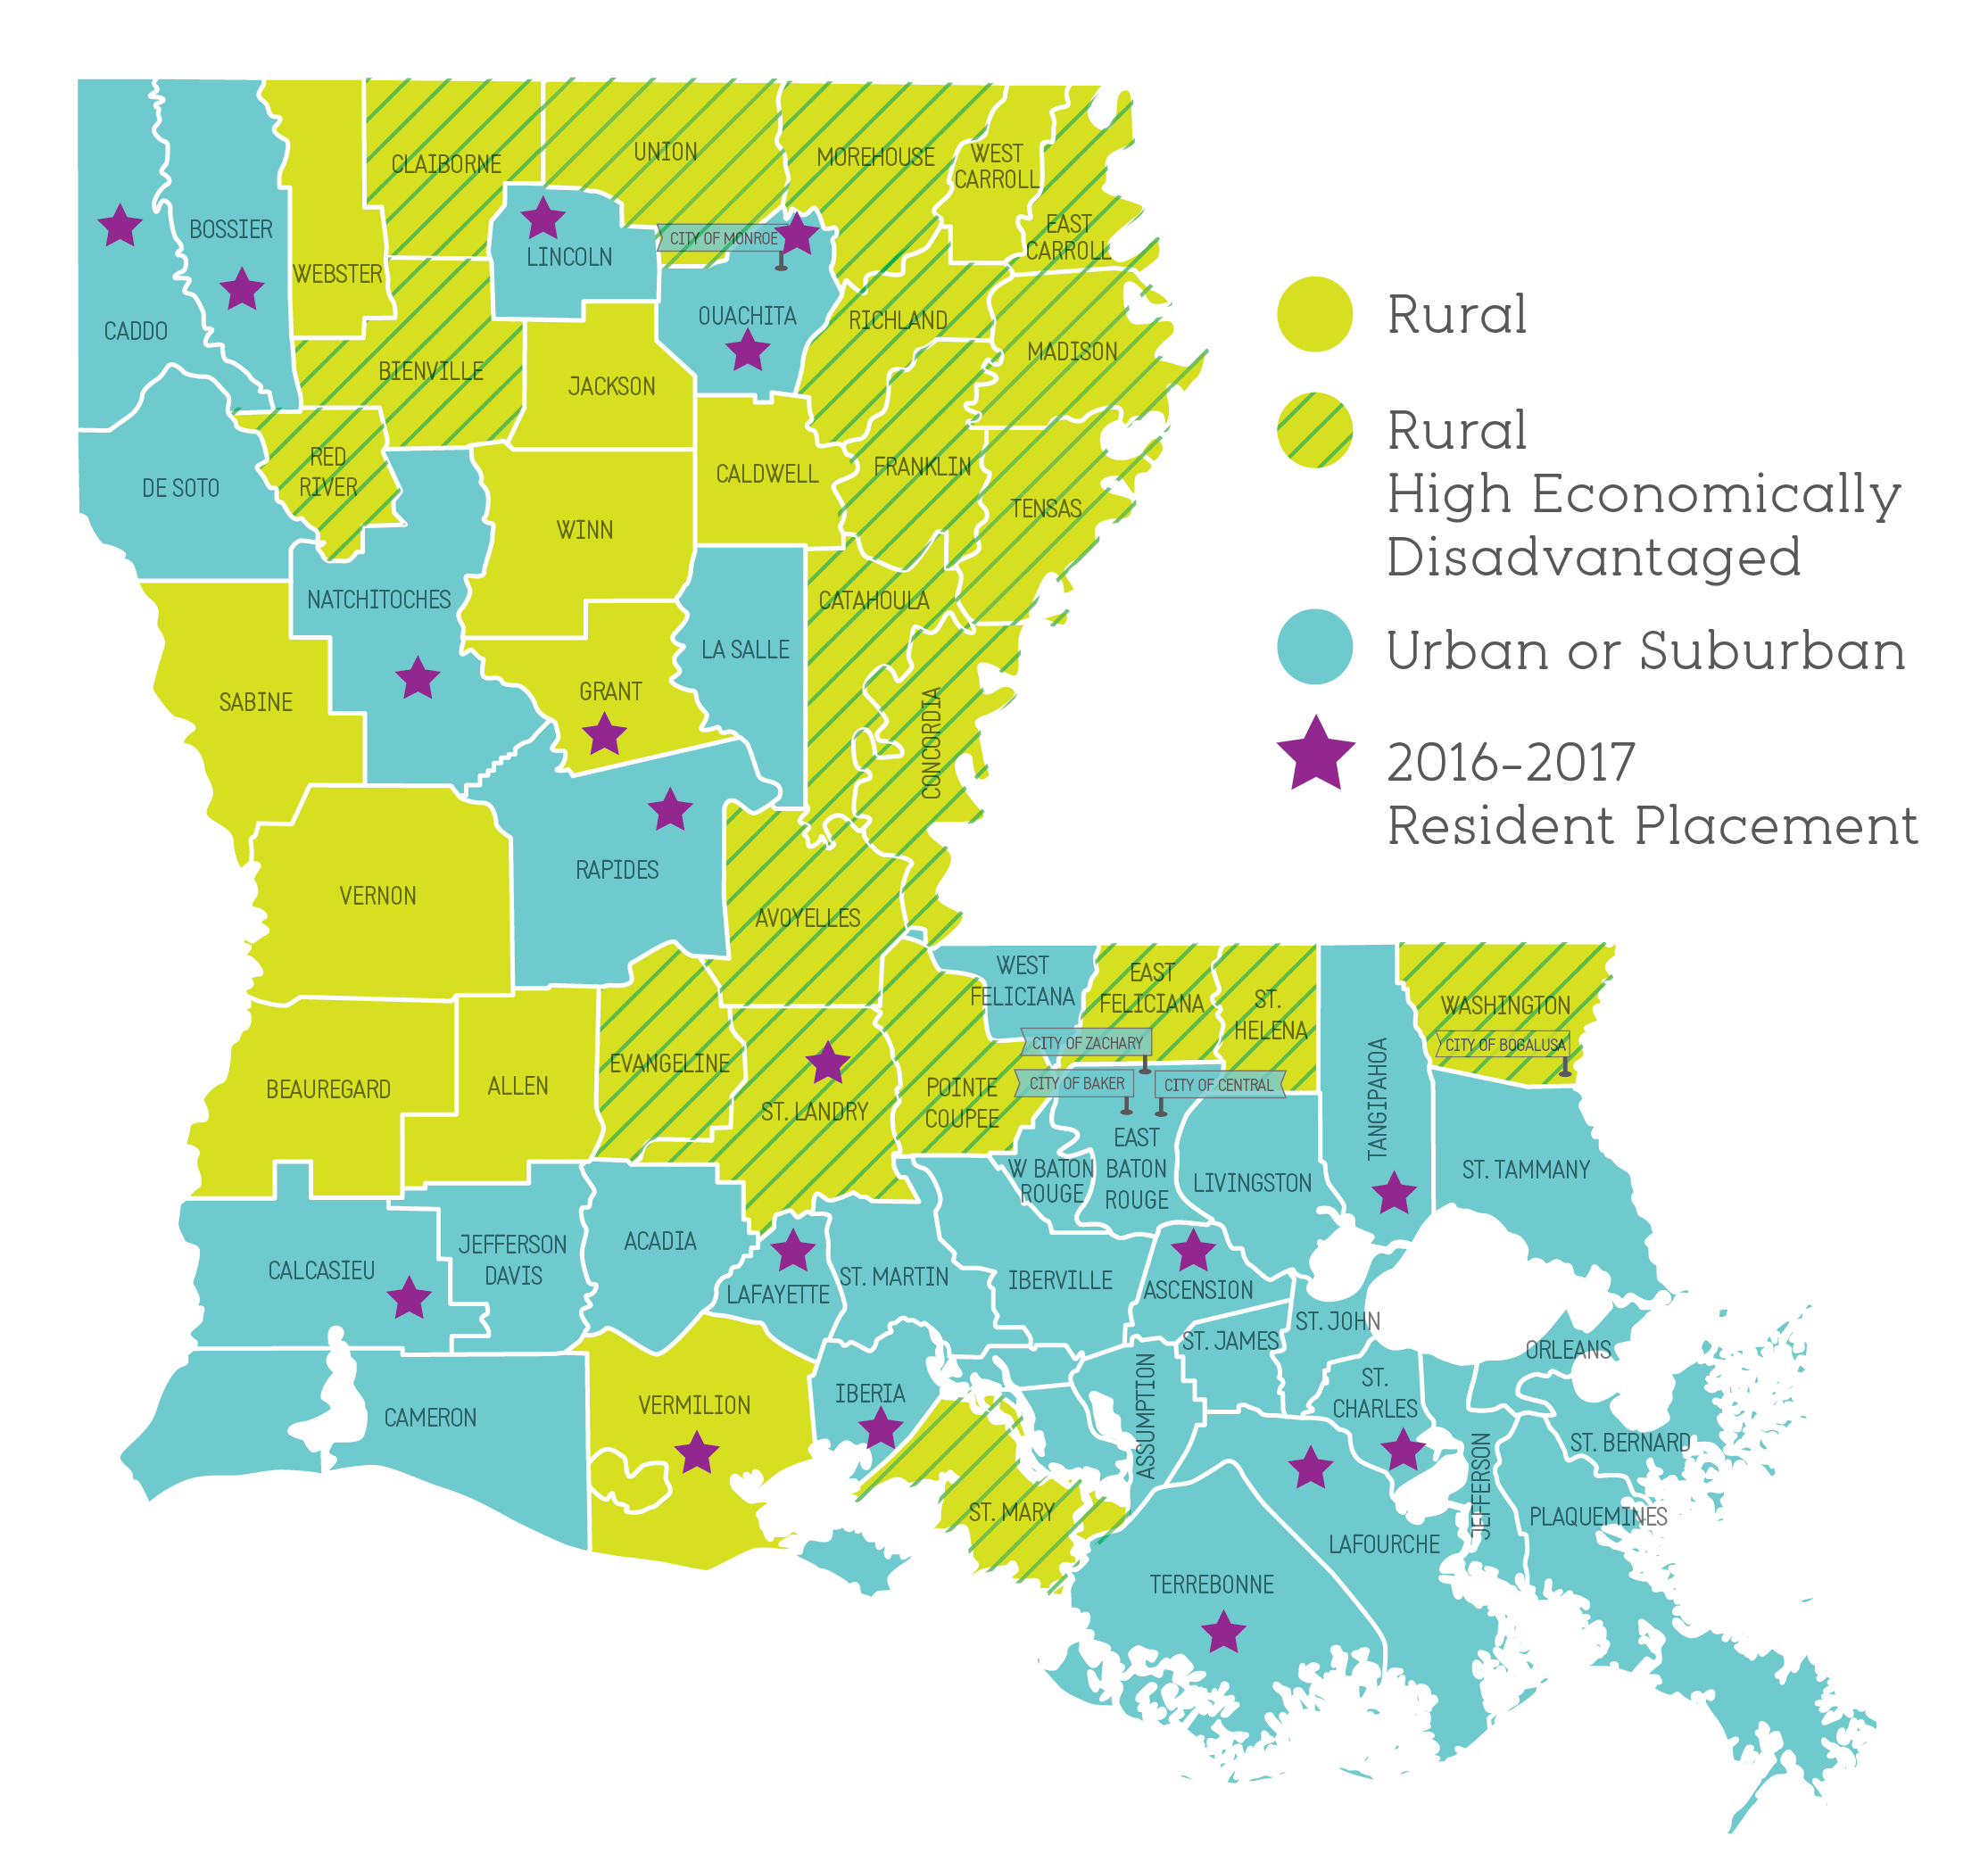
2017 Believe and Prepare Rural Report Data

I. 2016-2017 Educator Workforce Trends

II. 2017 Louisiana Teacher Survey

III. Appendices

Categories
1. Statewide
2. Rural
3. Rural high-economically-disadvantaged (Rural High ED)
4. Urban or Suburban
See Appendix 1 for a list of districts

Workforce Need
2016-2017 Educator Workforce Trends - Need

1. Comparison of 2016-2017 Average District Letter Grades
 | 1.952380952 2.3125 3.108108108 2.739130435
Rural High ED | 1.9523809524
Rural | 2.3125
Urban or Suburban | 3.1081081081
Statewide | 2.7391304348
A
B
C
D
F
Average 2016-2017 District Letter Grade Rating

Source: 2016-2017 District Performance Scores, LEAs 001-069

2. How many classes are taught by appropriately certified teachers?
Rural High ED | Elementary | English | Math | Science | Social Sciences | Special Education | Overall
Out of field | 3% | 11% | 17% | 21% | 17% | 16% | 10%
Uncertified | 9% | 12% | 14% | 14% | 12% | 11% | 11%
Appropriately certified | 88% | 77% | 69% | 64% | 70% | 74% | 80%
Total classes | 7,908 | 1,804 | 1,787 | 1,420 | 1,500 | 1,699 | 16,118

Rural | Elementary | English | Math | Science | Social Sciences | Special Education | Overall
Out of field | 3% | 12% | 16% | 20% | 18% | 16% | 10%
Uncertified | 7% | 9% | 12% | 13% | 10% | 8% | 9%
Appropriately certified | 90% | 78% | 72% | 67% | 72% | 76% | 81%
Total classes | 14,225 | 3,513 | 3,461 | 2,692 | 2,843 | 3,187 | 29,921

Urban or Suburban | Elementary | English | Math | Science | Social Sciences | Special Education | Overall
Out of field | 4% | 6% | 9% | 11% | 7% | 22% | 8%
Uncertified | 4% | 5% | 7% | 6% | 5% | 4% | 5%
Appropriately certified | 92% | 88% | 84% | 84% | 88% | 74% | 87%
Total classes | 64,546 | 15,292 | 15,114 | 12,049 | 12,649 | 17,365 | 137,015

Statewide | Elementary | English | Math | Science | Social Sciences | Special Education | Overall
Out of field | 4% | 8% | 10% | 13% | 9% | 21% | 8%
Uncertified | 5% | 6% | 8% | 7% | 6% | 5% | 5%
Appropriately certified | 92% | 87% | 82% | 81% | 85% | 74% | 86%
Total classes | 78,771 | 18,805 | 18,575 | 14,741 | 15,492 | 20,552 | 166,936
Source: 2016-2017 Educator Workforce Report, LEAs 001-069
See Appendix 2 for list of courses.

Appendix 1
For the purposes of this analysis, ‘rural’ refers to school systems included in the federal Rural Education Achievement Program (REAP). REAP school systems with close proximity to an urban area or university were excluded.
For the purposes of this analysis, ‘high-economically disadvantaged rural’ (rural high ED) refers to rural districts in which 75 percent or more of the population meets Louisiana’s definition of economically disadvantaged, which is the percentage of students eligible for SNAP, TANF, or Medicaid.
Appendix 1 - Categories of districts compared
Sponsor Code | Statewide | Rural | Rural High ED | Urban or Suburban
001 | Acadia Parish |  |  | x
002 | Allen Parish | x
003 | Ascension Parish |  |  | x
004 | Assumption Parish |  |  | x
005 | Avoyelles Parish | x | x
006 | Beauregard Parish | x
007 | Bienville Parish | x | x
008 | Bossier Parish |  |  | x
009 | Caddo Parish |  |  | x
010 | Calcasieu Parish |  |  | x
011 | Caldwell Parish | x
012 | Cameron Parish |  |  | x
013 | Catahoula Parish | x | x
014 | Claiborne Parish | x | x
015 | Concordia Parish | x | x
016 | DeSoto Parish |  |  | x
017 | East Baton Rouge Parish |  |  | x
018 | East Carroll Parish | x | x
019 | East Feliciana Parish | x | x
020 | Evangeline Parish | x | x
021 | Franklin Parish | x | x
022 | Grant Parish | x
023 | Iberia Parish |  |  | x
024 | Iberville Parish |  |  | x
025 | Jackson Parish | x
026 | Jefferson Parish |  |  | x
027 | Jefferson Davis Parish |  |  | x
028 | Lafayette Parish |  |  | x
029 | Lafourche Parish |  |  | x
030 | LaSalle Parish |  |  | x
031 | Lincoln Parish |  |  | x
032 | Livingston Parish |  |  | x
033 | Madison Parish | x | x
034 | Morehouse Parish | x | x
035 | Natchitoches Parish |  |  | x
036 | Orleans Parish |  |  | x
037 | Ouachita Parish |  |  | x
038 | Plaquemines Parish |  |  | x
039 | Pointe Coupee Parish | x | x
040 | Rapides Parish |  |  | x
041 | Red River Parish | x | x
042 | Richland Parish | x | x
043 | Sabine Parish | x
044 | St. Bernard Parish |  |  | x
045 | St. Charles Parish |  |  | x
046 | St. Helena Parish | x | x
047 | St. James Parish |  |  | x
048 | St. John the Baptist Parish |  |  | x
049 | St. Landry Parish | x | x
050 | St. Martin Parish |  |  | x
051 | St. Mary Parish | x | x
052 | St. Tammany Parish |  |  | x
053 | Tangipahoa Parish |  |  | x
054 | Tensas Parish | x | x
055 | Terrebonne Parish |  |  | x
056 | Union Parish | x | x
057 | Vermilion Parish | x
058 | Vernon Parish | x
059 | Washington Parish | x | x
060 | Webster Parish | x
061 | West Baton Rouge Parish |  |  | x
062 | West Carroll Parish | x
063 | West Feliciana Parish |  |  | x
064 | Winn Parish | x
065 | City of Monroe School District |  |  | x
066 | City of Bogalusa School District | x | x
067 | Zachary Community School District |  |  | x
068 | City of Baker School District |  |  | x
069 | Central Community School District |  |  | x
005025 | LA School for Ag Science | x | x
019015 | Slaughter Community Charter School | x | x
029039 | Bayou Community Academy Charter School | x | x
034003 | Beekman Charter School | x | x
056002 | Downsville Community Charter School | x | x
329001 | V. B. Glencoe Charter School | x | x
333001 | Avoyelles Public Charter School | x | x
336001 | Delhi Charter School | x | x
341001 | D'Arbonne Woods Charter School | x | x
W2A001 | Tallulah Charter School | x | x
W4A001 | Delta Charter School MST | x | x
W5B001 | Northeast Claiborne Charter | x | x
W6A001 | Northshore Charter School | x | x
WAL001 | JS Clark Leadership Academy | x | x
009108 | Pathways in Education-Louisiana Inc. |  |  | x
009111 | AmiKiDs Caddo |  |  | x
009106 | Magnolia School of Excellence |  |  | x
009109 | Pathways in Education - North market |  |  | x
017137 | Thrive Baton Rouge |  |  | x
017145 | South Baton Rouge Charter Academy |  |  | x
017110 | Children's Charter School |  |  | x
017135 | Inspire Charter Academy (Natl. Heritage Acad.) |  |  | x
017133 | Mentorship STEAM Academy |  |  | x
017112 | J. K. Haynes Charter Inc. |  |  | x
017111 | Community School For Apprenticeship Learning |  |  | x
026088 | Celerity Woodmere Charter School |  |  | x
026128 | Jefferson RISE Charter School |  |  | x
026126 | Young Audiences Charter School |  |  | x
026125 | Kenner Discovery Health Sciences Academy |  |  | x
026124 | International School of Louisiana Jefferson Parish |  |  | x
026123 | JCFA |  |  | x
026127 | Laureate Academy Charter School |  |  | x
029040 | Virtual Academy of Lafourche |  |  | x
036196 | Einstein Charter School at Sherwood Forest |  |  | x
036163 | New Orleans Charter Science and Mathematics HS |  |  | x
036187 | ENCORE Academy |  |  | x
036188 | Bricolage Academy |  |  | x
036189 | Homer A. Plessy Community School |  |  | x
036191 | Wilson Charter School |  |  | x
036192 | Foundation Preparatory |  |  | x
036193 | Cypress Academy |  |  | x
036195 | Einstein Charter Middle Sch at Sarah Towles Reed |  |  | x
036035 | Warren Easton Senior High School |  |  | x
036194 | Einstein Charter High School at Sarah Towles Reed |  |  | x
036043 | Benjamin Franklin High School |  |  | x
036056 | Alice M. Harte Elementary Charter School |  |  | x
036158 | Lake Forest Elementary Charter School |  |  | x
036013 | Einstein Charter School at Village De L'Est |  |  | x
036005 | Audubon Charter School |  |  | x
036060 | Edward Hynes Charter School |  |  | x
036064 | Edna Karr High School |  |  | x
036079 | Lusher Charter School |  |  | x
036149 | Robert Russa Moton Charter School |  |  | x
065030 | Excellence Academy Charter School |  |  | x
300001 | Pierre A. Capdau Learning Academy |  |  | x
300002 | Nelson Elementary School |  |  | x
300003 | Lake Area New Tech Early College High School |  |  | x
300004 | Gentilly Terrace Elementary School |  |  | x
321001 | New Vision Learning Academy |  |  | x
331001 | International School of Louisiana |  |  | x
337001 | Belle Chasse Academy |  |  | x
339001 | Milestone Academy |  |  | x
340001 | The MAX Charter School |  |  | x
343001 | Madison Preparatory Academy |  |  | x
344001 | International High School of New Orleans |  |  | x
345001 | University View Academy, Inc. |  |  | x
346001 | Lake Charles Charter Academy |  |  | x
347001 | Lycee Francais de la Nouvelle-Orleans |  |  | x
348001 | New Orleans Military & Maritime Academy |  |  | x
360001 | The NET Charter High School |  |  | x
361001 | Crescent Leadership Academy |  |  | x
363001 | Harriet Tubman Charter School |  |  | x
363002 | Paul Habans Charter School |  |  | x
364001 | Fannie C. Williams Charter School |  |  | x
367001 | Edgar P. Harney Spirit of Excellence Academy |  |  | x
368001 | Morris Jeff Community School |  |  | x
369001 | ReNEW Cultural Arts Academy at Live Oak Elementary |  |  | x
369002 | ReNEW SciTech Academy at Laurel |  |  | x
369003 | ReNEW Dolores T. Aaron Elementary |  |  | x
369005 | ReNEW Accelerated High School West Bank Campus |  |  | x
369006 | ReNEW Schaumburg Elementary |  |  | x
369007 | ReNew McDonogh City Park Academy |  |  | x
371001 | Linwood Public Charter School |  |  | x
373001 | Arise Academy |  |  | x
373002 | Mildred Osborne Charter School |  |  | x
374001 | Success Preparatory Academy |  |  | x
381001 | Akili Academy of New Orleans |  |  | x
382001 | Sci Academy |  |  | x
382002 | G. W. Carver Collegiate Academy |  |  | x
382004 | Livingston Collegiate Academy |  |  | x
385001 | Sylvanie Williams College Prep |  |  | x
385002 | Walter L. Cohen College Prep |  |  | x
385003 | Lawrence D. Crocker College Prep |  |  | x
389002 | Kenilworth Science and Technology Charter School |  |  | x
390001 | James M. Singleton Charter School |  |  | x
393002 | Esperanza Charter School |  |  | x
393003 | McDonogh 42 Charter School |  |  | x
393001 | Lafayette Academy |  |  | x
395002 | Dwight D. Eisenhower Academy of Global Studies |  |  | x
395003 | William J. Fischer Accelerated Academy |  |  | x
395004 | McDonogh #32 Literacy Charter School |  |  | x
395005 | Lord Beaconsfield Landry-Oliver Perry Walker High |  |  | x
395007 | Algiers Technology Academy |  |  | x
395001 | Martin Behrman Charter Acad of Creative Arts & Sci |  |  | x
397001 | Sophie B. Wright Institute of Academic Excellence |  |  | x
398004 | KIPP Central City Primary |  |  | x
398007 | KIPP East Community Primary |  |  | x
398008 | KIPP Booker T. Washington High School |  |  | x
398005 | KIPP Renaissance High School |  |  | x
398002 | KIPP McDonogh 15 School for the Creative Arts |  |  | x
398001 | KIPP Believe College Prep |  |  | x
398006 | KIPP New Orleans Leadership Academy |  |  | x
398003 | KIPP Central City Academy |  |  | x
399001 | Samuel J. Green Charter School |  |  | x
399002 | Arthur Ashe Charter School |  |  | x
399003 | Joseph S. Clark Preparatory High School |  |  | x
399004 | Phillis Wheatley Community School |  |  | x
399005 | Langston Hughes Charter Academy |  |  | x
3A5001 | Mary D. Coghill Charter School |  |  | x
3AP001 | Celerity Lanier Charter School |  |  | x
3AP002 | Celerity Crestworth Charter School |  |  | x
3AP003 | Celerity Dalton Charter School |  |  | x
3AQ001 | Baton Rouge University Preparatory Elementary |  |  | x
3B9001 | Capitol High School |  |  | x
W1A001 | JCFA-East |  |  | x
W1B001 | Advantage Charter Academy |  |  | x
W2B001 | Willow Charter Academy |  |  | x
W31001 | Dr. Martin Luther King Charter School for Sci/Tech |  |  | x
W32001 | Joseph A. Craig Charter School |  |  | x
W33001 | Lincoln Preparatory School: A TMCF Collegiate Acad |  |  | x
W34001 | Laurel Oaks Charter School |  |  | x
W35001 | Appex Collegiate Academy Charter School |  |  | x
W36001 | Smothers Academy Preparatory School |  |  | x
W37001 | Greater Grace Charter Academy Inc. |  |  | x
W3A001 | Baton Rouge Charter Academy at Mid-City |  |  | x
W3B001 | Iberville Charter Academy |  |  | x
W4B001 | Lake Charles College Prep |  |  | x
W6B001 | Acadiana Renaissance Charter Academy |  |  | x
W7A001 | Louisiana Key Academy |  |  | x
W7B001 | Lafayette Renaissance Charter Academy |  |  | x
W8A001 | Impact Charter Elementary |  |  | x
W9A001 | Vision Academy |  |  | x
WAG001 | Louisiana Virtual Charter Academy |  |  | x
WAK001 | Southwest Louisiana Charter Academy |  |  | x
WAR001 | Tangi Academy |  |  | x
WAU001 | GEO Prep Academy of Greater Baton Rouge |  |  | x
WAV001 | Democracy Prep Louisiana Charter School |  |  | x
WAW001 | Baton Rouge Bridge Academy Inc. |  |  | x
WAX001 | Baton Rouge College Prep |  |  | x
101010 | Pinecrest Supports & Services Center |  |  | x
101031 | Renaissance Home for Youth |  |  | x
302006 | Louisiana School for Math Science & the Arts |  |  | x
304001 | Louisiana School for the Deaf |  |  | x
304002 | Louisiana School for the Visually Impaired |  |  | x
318001 | LSU Laboratory School |  |  | x
319001 | Southern University Lab School |  |  | x
334001 | New Orleans Center for Creative Arts |  |  | x

