Overview and Instructions
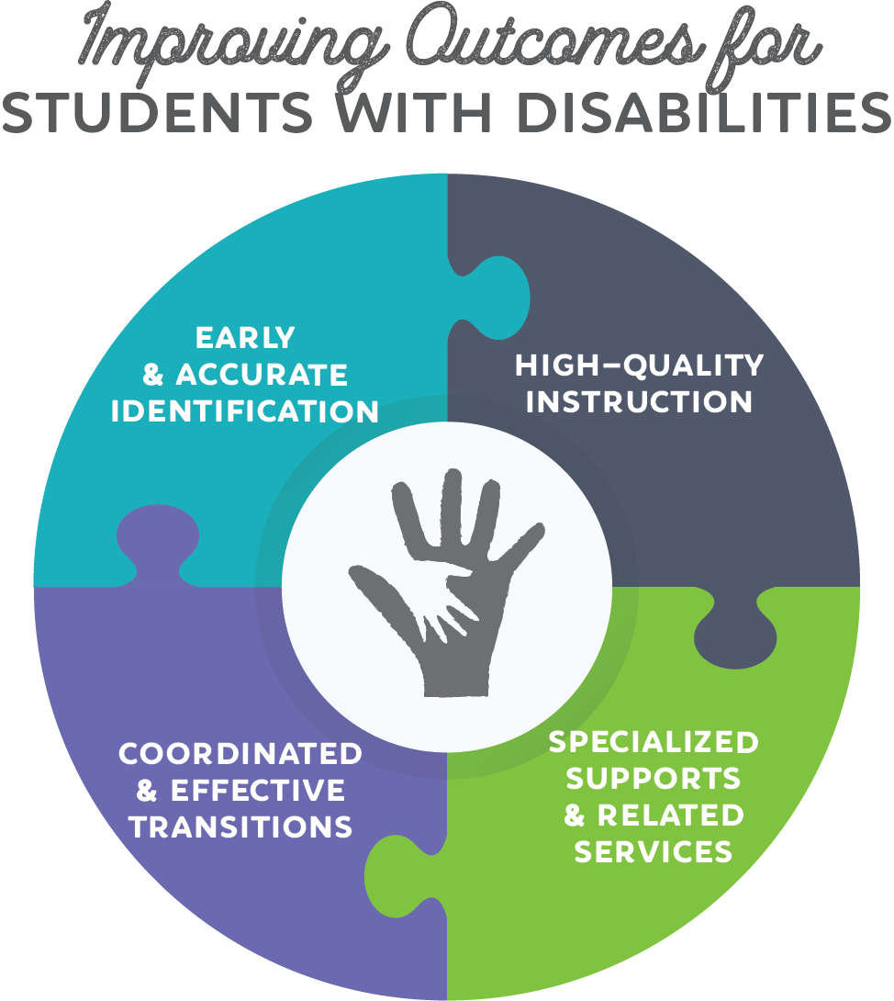 | Special Education Planning
 | This strategy-based planning template is designed to assist school systems with planning their Special Education programs for the 2018-2019 school year. While school systems are not required to submit a completed version of this template, it should be used to assist with planning Special Education prorities and programming for the 2018-2019 school year. The planning document is set up to clearly connect strategic plans and funds and is most completed with strategic collaboration between Special Education leaders, Federal Programs or IDEA Grants Managers, and other system-level leaders.
 | Instructions
 | Special Education leaders, Federal Programs or IDEA Grants Managers, and other system-level leaders should collaborate to complete this planning document. For each of the four strategies, the Department has identified the key actions of school systems that implement the strategy effectively. Begin the planning process for each strategy by considering how your school system plans to address each of these key activities in the 2018-2019 school year. Then, consider what, if any, additional priorities your school system has within the strategy. Once you've detailed your school system's key actions and priorities, consider the personnel, activities, and resources necessary to carry out your plans.
 | Additional Resources
 | The following resources can help school systems in completing this planning document:
 | Strategies for Success: A Guidebook for Supporting Students with Disabilities | This Guidebook details key actions and activities for each of the four strategies for which you will create plans.
 | Weekly Support Calls | *Information about how to join these calls will be published in the weekly newsletter.
 | 2018-04-04 | Focus: Strategy 1: Identify disabilities early and accurately.
 | 2018-04-11 | Focus: Strategy 2: Provide high-quality instruction to ensure the achievement of ambitious IEP goals.
 | 2018-04-18 | Focus: Strategy 3: Strengthen instruction with specialized supports and related services.
 | 2018-04-25 | Focus: Strategy 4: Coordinate effective transition planning and implementation.
 | 2018-05-02 | Focus: Program Administration and Support
 | 2018-05-09 | Focus: The CEIS Page

Strategy 1 Early & Accurate ID
 | Strategy 1: Identify disabilities early and accurately.
 | We know that school systems that do early and accurate identification well, do the following:
 | a. Use strategic Child Find activities to coordinate the identification of non-identified students and the transition of students from IDEA Part-C to IDEA Part-B. b. Systematically evaluate students suspected of having disabilities. c. Communicate with families and collaborate with partners regarding referral, screening, and evaluation information.
 | Step 1: Describe your school system's plan for implementing these activities.
 | a. Use strategic Child Find activities to coordinate the identification of non-identified students and the transition of students from IDEA Part-C to IDEA Part-B: (Enter response here)
 | b. Systematically evaluate students suspected of having disabiities: (Enter response here)
 | c. Communicate with families and collaborate with partners regarding referral, screening, and evaluation information: (Enter response here)
 | Step 2: What other priorities related to identifying disabilities early and accurately does your school system have?
 | (Enter and describe priority here)
 | (Enter and describe priority here)
 | Step 3: Consider funding needs to support the implementation of these activities.
 | a. Consider the workforce and personnel necessary to implement your school system's plan for this strategy in the 2018-2019 school year.
 | What positions are necessary? | Anticipated number needed? | What is the role of this position?

 | (Copy this row to insert additional rows as necessary)
 | b. Consider the activities and resources necessary to implement your school system's plan for this strategy in the 2018-2019 school year.
 | What activities or resources are necessary? | (If applicable) Anticipated number needed? | What is the purpose of these activities and/or resources?

 | (Copy this row to insert additional rows as necessary)

Strategy 2 High Quality Instruc
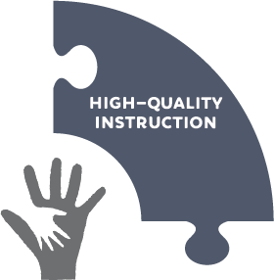 | Strategy 2: Provide high quality instruction to ensure the achievement of ambitious IEP goals.
 | We know that school systems that provide high quality instruction do the following:
 | a. Build structures to increase collaboration among educators (including general educators and special educators). b. Provide high-quality instruction, that is responsive to students' individual learning needs, across all settings. c. Provide training for general and special education teachers to deliver high-quality instruction.
 | Step 1: Describe your school system's plan for implementing these activities.
 | a. Build structures to increase collaboration among educators (including general educators and special educators): (Enter response here)
 | b. Provide high quality instruction, that is responsive to students' individual learning needs, across all settings: (Enter response here)
 | c. Provide training for general and special education teachers to deliver high-quality instruction: (Enter response here)
 | Step 2: What other priorities related to providing high quality instruction to ensure the achievement of ambitious IEP goals does your school system have?
 | (Enter and describe priority here)
 | (Enter and describe priority here)
 | Step 3: Consider funding needs to support the implementation of these activities.
 | a. Consider the workforce and personnel necessary to implement your school system's plan for this strategy in the 2018-2019 school year.
 | What positions are necessary? | Anticipated number needed? | What is the role of this position?

 | (Copy this row to insert additional rows as necessary)
 | b. Consider the activities and resources necessary to implement your school system's plan for this strategy in the 2018-2019 school year.
 | What activities or resources are necessary? | (If applicable) Anticipated number needed? | What is the purpose of these activities and/or resources?

 | (Copy this row to insert additional rows as necessary)

Strategy 3 Specialized Supports
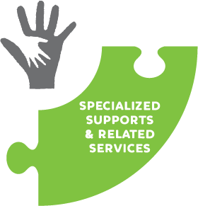 | Strategy 3: Strengthen instruction with specialized supports and related services.
 | We know that school systems that strengthen instruction with specialized support and related services well, do the following:
 | a. Identify the specialized supports and related services needed by students and create and communicate a vision of excellence for coordinated supports and services. b. In the Least Restrictive Environment, implement the specialized supports and related services needed by students and systematically monitor progress. c. Provide appropriate training and support to ensure the services and/or supports are implemented with fidelity.
 | Step 1: Describe your school system's plan for implementing these activities.
 | a. Identify the specialized supports and related services needed by students and create and communicate a vision of excellence for coordinated supports and services: (Enter response here)
 | b. In the Least Restrictive Environment, implement the specialized supports and related services needed by students and systematically monitor progress: (Enter response here)
 | c. Provide appropriate training and support to ensure the services and/or supports are implemented with fidelity: (Enter response here)
 | Step 2: What other priorities related to strenghening instruction with specialized supports and related services does your school system have?
 | (Enter and describe priority here)
 | (Enter and describe priority here)
 | Step 3: How will your school system fund the implementation of these activities?
 | a. Consider the workforce and personnel necessary to implement your school system's plan for this strategy in the 2018-2019 school year.
 | What positions are necessary? | Anticipated number needed? | What is the role of this position?

 | (Copy this row to insert additional rows as necessary)
 | b. Consider the activities and resources necessary to implement your school system's plan for this strategy in the 2018-2019 school year.
 | What activities or resources are necessary? | (If applicable) Anticipated number needed? | What is the purpose of these activities and/or resources?

 | (Copy this row to insert additional rows as necessary)

Strategy 4 Effective Transition
 | Strategy 4: Coordinate effective transition planning and implementation.
 | We know that school systems that coordinate and implement effective transition planning well, do the following:
 | a. Coordinate supports at key transition points within the K-12 system (including key grade-level changes, and changes in LRE or exit from services, if applicable). b. Create student-centered, ambitious, and meaningful transition plans, including meaningful goals, to address postsecondary life. c. Develop courses of study and experiences that are aligned to the postsecondary plans and goals of individual students. d. Build structures with adult agencies, community partners, and postsecondary educational institutions, to facilitate meaningful transitions.
 | Step 1: Describe your school system's plan for implementing these activities.
 | a. Coordinate supports at key transition points within the K-12 system (including key grade-level changes, and changes in LRE or exit from services, if applicable): (Enter response here)
 | b. Create student-centered, ambitious, and meaningful transition plans, including meaningful goals, to address postsecondary life: (Enter response here)
 | c. Develop courses of study and experiences that are aligned to the postsecondary plans and goals of individual students: (Enter response here)
 | d. Build structures with adult agencies, community partners, and postsecondary educational institutions, to facilitate meaningful transitions: (Enter response here)
 | Step 2: What other priorities related to coordinating and implementing effective transition planning does your school system have?
 | (Enter and describe priority here)
 | (Enter and describe priority here)
 | Step 3: How will your school system fund the implementation of these activities?
 | a. Consider the workforce and personnel necessary to implement your school system's plan for this strategy in the 2018-2019 school year.
 | What positions are necessary? | Anticipated number needed? | What is the role of this position?

 | (Copy this row to insert additional rows as necessary)
 | b. Consider the activities and resources necessary to implement your school system's plan for this strategy in the 2018-2019 school year.
 | What activities or resources are necessary? | (If applicable) Anticipated number needed? | What is the purpose of these activities and/or resources?

 | (Copy this row to insert additional rows as necessary)

