START HERE
Micro-Enterprise Program
Self-Assessment

The Micro-Enterprise Self-Assessment is a tool you will use to examine how well you are prepared to become an effective small business employee--and maybe even a young entrepreneur who can form his/her own business.

This Self-Assessment will ask you to think about your behaviors, skills, and capabilities in five (5) areas (click on any of the terms below to view a definition):

 | Determination, Self-Motivation, Self-Discipline and Grit

 | Problem Solving and Teamwork

 | Communication Skills and Comfort Engaging with Strangers

 | Financial and Computer Literacy

 | Personal Capabilities and Support Systems

START
 | To Begin Your Assessment, Click "Start"

STUDENT_INFO
Name* | Amari Jones
Teacher* | Emily Smith
Class | Customer Service
Mentor | Paula Parker
Date | 2016-06-09
* required

Instructions

Navigation
 | Advance to next section

 | Go back to previous section

 | Finish your assessment

 | View Self-Assessment Report

Self-Evaluation Statements
Read the statements listed in each section (there are 8 per section). After reading each statement, decide how well each describes you. Then, use the drop-down list next to each statement (see the example below), to select the response which best describes how well the statement fits you.
Click on the "down-arrow" next to the box to open the list of options to select.
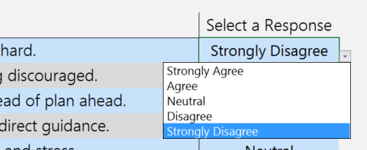

Let's Get Started!
Click the arrow button to start your self-assessment.

REPORT
Micro-Enterprise Program
Self-Assessment |  |  |  |  |  | Click to go back

Self-Assessment Report for |  | Amari Jones

2016-06-09

Determination, Self-Motivation, Self-Discipline & Grit | 30%
Problem Solving & Teamwork | 23%
Communication Skills, Comfort Engaging with Strangers | -47%
Computer & Financial Literacy | 20%
Personal Capabilities & Support Systems | 13%
 | Weakness |  | Neutral | Strength

Written Responses |  |  |  |  | Amari Jones

Q1) Based on this Self-Assessment, what is your area of greatest personal strength? Please provide at least two reasons why this is true.
Determination and Self-Motivation is my area of greatest strength. The two reasons why this is true are: 1) I have always been motivated to work hard in class and get good grades. 2) My teachers have helped me be determined to succeed.

Q2) What are the areas where you'll need encouragement and support after high school to become a successful adult? Please provide at least two examples.
I am not always comfortable communicating with strangers. I will need support after high school learning to communicate effectively with adults who I don't know. I also will need help showing up for work on time. I like to sleep late and sometimes I'm late to school.

Q3) Based on this Self-Assessment, what have you learned about yourself? Please provide at least two observations.
I already knew about myself before I completed this Self-Assessment. Two observations about what I learned about myself: 1. I have determination and I'm self-motivated. I learned these in school. I know that I can set goals and achieve them. 2. I will need help learning how to work with strangers.

 |  |  |  |  | Amari Jones
Q4) Do you think you might ever start your own business as an entrepreneur? Please provide at least two reasons why or why not.
I do not think I will be an entrepreneur. Why not? 1. You have to work too hard. I think I just want to go work and then go home. 2. I think I need to learn more about business before thinking about starting a business.

