READ ME
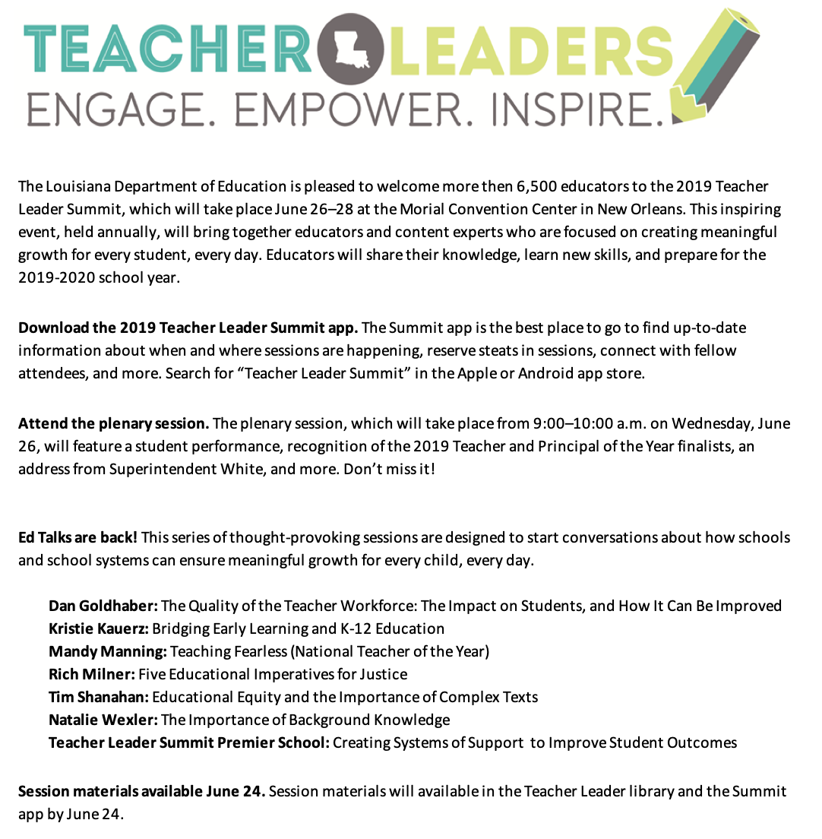

Helpful Links
EventBrite registration
Teacher Leader library
Summit overview
Summit app directions
Ed Talks overview
Louisiana Believes website

